Kimberley 2013
Limestone [1] |  | Limestone [39] |  | Basalt [40] |  | B4C [2] |  | SiC [3] |  | SiC [5] |  | AION [41] |  | AIN (Sintered) [33] |  | AIN (Hot Pressed) [22] |  | AI2O3 [42] |  | MgAI2O4 [43] |  | MAC 88118 [32] |  | Concrete [36]
Strain (s^-1) | Stress (Gpa) | Strain (s^-1) | Stress (Gpa) | Strain (s^-1) | Stress (Gpa) | Strain (s^-1) | Stress (Gpa) | Strain (s^-1) | Stress (Gpa) | Strain (s^-1) | Stress (Gpa) | Strain (s^-1) | Stress (Gpa) | Strain (s^-1) | Stress (Gpa) | Strain (s^-1) | Stress (Gpa) | Strain (s^-1) | Stress (Gpa) | Strain (s^-1) | Stress (Gpa) | Strain (s^-1) | Stress (Gpa) | Strain (s^-1) | Stress (Gpa)
6.64E-08 | 1.0808926081 | 1.67E-08 | 0.94909344491 | 9.53E-10 | 0.93933054393 | 5.94E-09 | 1.2468619247 | 1.81E-08 | 1.0027894003 | 1.81E-08 | 1.0174337517 | 1.15E-08 | 1.129707113 | 1.68E-07 | 1.0613668061 | 1.66E-09 | 0.99790794979 | 3.50E-09 | 1.0174337517 | 2.36E-08 | 1.3054393305 | 5.0058339545E-06 | 0.96373779637 | 1.58E-09 | 1.0613668061
6.64E-08 | 1.1052998605 | 3.4698774467E-05 | 1.0467224547 | 4.48E-07 | 1.0516039052 | 5.46E-10 | 1.0564853556 | 1.10E-07 | 0.910041841 | 1.81E-08 | 0.98814504881 | 9.83E-09 | 1.0711297071 | 1.68E-07 | 0.97838214784 | 1.50E-08 | 0.98814504881 | 3.50E-09 | 0.98814504881 | 2.12E-08 | 1.0320781032 | 5.0058339545E-06 | 0.89051603905 | 1.38E-09 | 0.96373779637
6.64E-08 | 0.90027894003 | 0.028474116775 | 1.0320781032 | 0.0044480282748 | 1.2273361227 | 5.91E-10 | 0.95885634589 | 6.67E-07 | 1.0125523013 | 5.3040465857E-05 | 1.0271966527 | 7.74E-09 | 1.0125523013 | 0.1683363904 | 1.1443514644 | 1.39E-08 | 1.0271966527 | 1.5659013478E-05 | 1.1589958159 | 2.36E-08 | 1.0027894003 | 0.0005054345451 | 1.0711297071 | 1.58E-09 | 0.86610878661
5.97E-08 | 0.92956764296 | 0.073979254005 | 1.0564853556 | 0.27133627178 | 1.5055788006 | 5.94E-09 | 0.89051603905 | 5.0058339545E-06 | 1.0271966527 | 5.3040465857E-05 | 0.9930264993 | 9.83E-09 | 0.91980474198 | 0.1683363904 | 1.1980474198 | 1.139054496E-05 | 1.0271966527 | 1.5659013478E-05 | 1.1980474198 | 3.08E-08 | 0.91492329149 | 0.0005054345451 | 1.0906555091 | 1.64E-07 | 0.96373779637
6.64E-08 | 0.93444909344 | 0.16393047069 | 1.1443514644 | 0.27133627178 | 1.5543933054 | 5.23E-08 | 0.92468619247 | 0.091465338189 | 0.94421199442 | 0.099040202199 | 1.2273361227 | 8.84E-09 | 0.86610878661 | 0.1683363904 | 1.2663877266 | 1.2011054894E-05 | 0.9930264993 | 0.14743017717 | 1.1638772664 | 2.319770526E-06 | 0.83682008368 | 0.76334789634 | 2.5111576011 | 1.64E-07 | 0.89051603905
5.97E-08 | 0.94909344491 | 0.27133627178 | 1.3640167364 | 1.0494032585 | 1.7545327755 | 0.018140061013 | 0.910041841 | 0.091465338189 | 1.1638772664 | 0.43735862582 | 1.4518828452 | 9.83E-09 | 0.85146443515 | 0.1683363904 | 1.4030683403 | 0.063095734448 | 1.2810320781 | 0.14743017717 | 1.3542538354 | 2.319770526E-06 | 0.90027894003 | 2.5179501074 | 2.5990237099 | 1.6874275325E-06 | 1.1394700139
5.25E-07 | 1.0516039052 | 0.37301624739 | 1.539748954 | 0.99518944025 | 1.9156206416 | 0.018627607057 | 0.9539748954 | 0.055259681439 | 1.2224546722 |  |  | 1.22E-08 | 0.83193863319 |  |  | 0.082258965995 | 1.339609484 | 1.106570422 | 1.9693165969 | 2.4461420614E-06 | 0.98326359833 | 2.2645078055 | 2.9260808926 | 1.5583684858E-06 | 1.0613668061
7.62E-07 | 1.0564853556 | 0.49937790076 | 1.720362622 | 1.3681246079 | 2.0327754533 | 0.0196423623 | 1.0418410042 | 0.040196522393 | 1.1931659693 |  |  | 1.46E-08 | 0.97350069735 |  |  | 0.17286072696 | 1.2370990237 |  |  | 2.4461420614E-06 | 1.0320781032 | 5.017918002 | 3.179916318 | 1.4778607257E-06 | 0.86610878661
7.62E-07 | 0.91980474198 | 0.74336855892 | 1.8912133891 |  |  | 0.02364950143 | 1.0760111576 | 0.08446982038 | 1.3152022315 |  |  | 0.35374564301 | 1.3152022315 |  |  | 0.089071387982 | 1.3542538354 |  |  | 0.10170208182 | 1.0662482566 | 7.0837264218 | 3.2726638773 | 0.17750666302 | 1.0369595537
9.17E-07 | 0.93933054393 |  |  |  |  | 0.023030515812 | 1.1687587169 | 0.11612386066 | 1.2810320781 |  |  | 0.2505837358 | 1.3347280335 |  |  | 0.13981370299 | 1.2956764296 |  |  | 0.10724239199 | 1.0760111576 | 6.3707194702 | 3.5264993026 | 0.5855166738 | 1.3347280335
6.32E-07 | 1.0223152022 |  |  |  |  | 0.0196423623 | 1.2126917713 |  |  |  |  | 0.29380746579 | 1.4225941423 |  |  | 0.16393047069 | 1.3152022315 |  |  | 0.12574086389 | 1.2126917713 |  |  | 0.13615431627 | 1.0662482566
5.84E-07 | 1.0174337517 |  |  |  |  |  |  |  |  |  |  | 0.29380746579 | 1.5934449093 |  |  | 0.21371890084 | 1.3884239888 |  |  | 0.23141841021 | 1.2126917713 |  |  | 0.089071387982 | 1.1150627615
6.32E-07 | 0.99790794979 |  |  |  |  |  |  |  |  |  |  | 0.33547058828 | 1.6032078103 |  |  | 0.43735862582 | 1.5788005579 |  |  | 0.23141841021 | 1.2712691771 |  |  | 0.33547058828 | 1.1882845188
9.9759182046E-06 | 1.0662482566 |  |  |  |  |  |  |  |  |  |  | 0.34448695035 | 1.6227336123 |  |  | 0.54073476624 | 1.6227336123 |  |  | 0.20267784723 | 1.4225941423 |  |  | 0.2786289113 | 1.4567642957
5.0058339545E-06 | 1.119944212 |  |  |  |  |  |  |  |  |  |  | 0.42591150505 | 1.6227336123 |  |  | 0.7838642136 | 1.6080892608 |  |  |  |  |  |  | 0.66854537708 | 1.529986053
5.0058339545E-06 | 1.10041841 |  |  |  |  |  |  |  |  |  |  |  |  |  |  | 1.106570422 | 1.8716875872 |  |  |  |  |  |  | 0.5855166738 | 1.5592747559
5.0058339545E-06 | 0.96373779637 |  |  |  |  |  |  |  |  |  |  |  |  |  |  | 0.24402513122 | 1.4860529986 |  |  |  |  |  |  | 0.47357925518 | 1.6080892608
Kimberley Data
5.0058339545E-06 | 1.0369595537 |  |  |  |  |  |  |  |  |  |  |  |  |  |  |  |  |  |  |  |  |  |  | 0.34448695035 | 1.6324965132
5.0058339545E-06 | 1.0564853556 |  |  |  |  |  |  |  |  |  |  |  |  |  |  |  |  |  |  |  |  |  |  | 0.5855166738 | 1.7594142259
5.0058339545E-06 | 1.0711297071 |  |  |  |  |  |  |  |  |  |  |  |  |  |  |  |  |  |  |  |  |  |  | 0.99518944025 | 1.6813110181
7.487650242E-05 | 1.1638772664 |  |  |  |  |  |  |  |  |  |  |  |  |  |  |  |  |  |  |  |  |  |  | 1.0494032585 | 1.8033472803
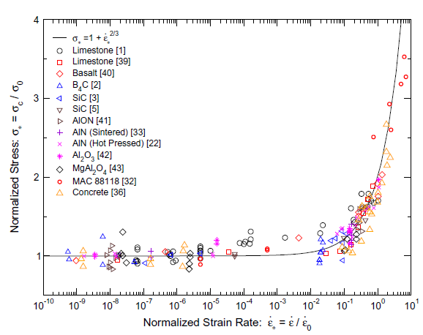
0.00010024139929 | 1.1492329149 |  |  |  |  |  |  |  |  |  |  |  |  |  |  |  |  |  |  |  |  |  |  | 1.3681246079 | 1.930264993
0.00011146035421 | 1.1834030683 |  |  |  |  |  |  |  |  |  |  |  |  |  |  |  |  |  |  |  |  |  |  | 1.931362854 | 2.149930265
0.0001492182662 | 1.1541143654 |  |  |  |  |  |  |  |  |  |  |  |  |  |  |  |  |  |  |  |  |  |  | 2.3878688557 | 2.2475592748
0.00016157604125 | 1.2126917713 |  |  |  |  |  |  |  |  |  |  |  |  |  |  |  |  |  |  |  |  |  |  | 1.8808127047 | 2.3207810321
0.00016157604125 | 1.310320781 |  |  |  |  |  |  |  |  |  |  |  |  |  |  |  |  |  |  |  |  |  |  | 1.8808127047 | 2.6673640167
0.001712016135 | 1.2322175732
0.019128256758 | 1.2859135286
0.023030515812 | 1.3884239888
0.19220719176 | 1.4567642957
0.15963986846 | 1.6032078103
0.33547058828 | 1.7887029289
0.54073476624 | 1.7887029289
0.54073476624 | 1.7154811715
0.65104733492 | 1.6959553696
0.7838642136 | 1.6715481172
1.0494032585 | 1.7008368201
0.51279956013 | 1.6227336123

Paliwal 2006
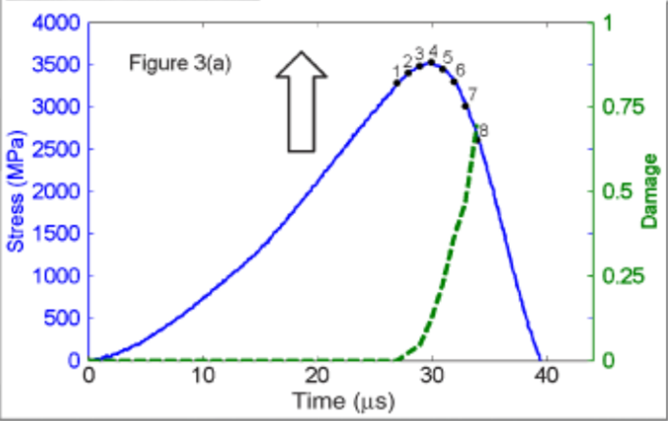
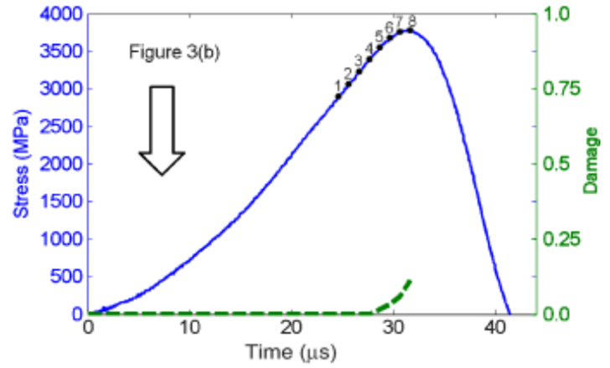

Peak Compressive Strength (GPa) |  | Loading Rate (Mpa/µs)
(a) | (b) | 155
3.5 | 3.76

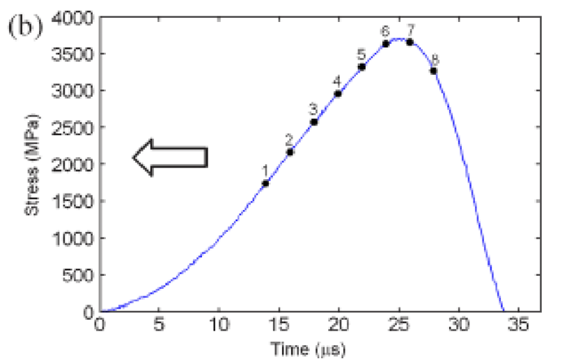
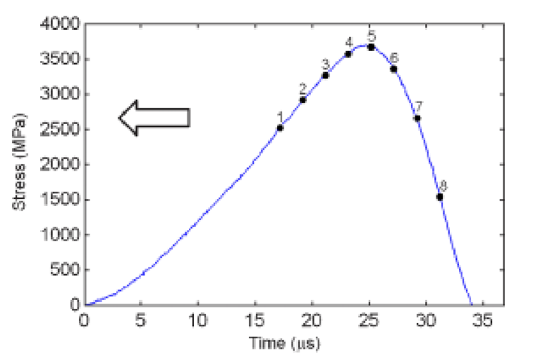

Peak Compressive Strength (GPa)
(a) | (b)
~3.688 | ~3.705

McCauley 2014
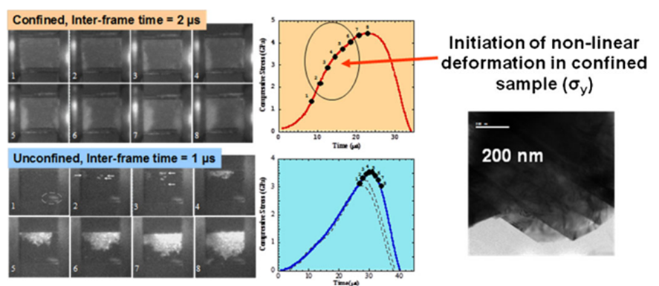

Peak Compressive Strength (GPa) |  | Strain Rate (s^-1)
(unconfined) | (confined) | 10^3
3.5 | 4.5

Hogan 2016
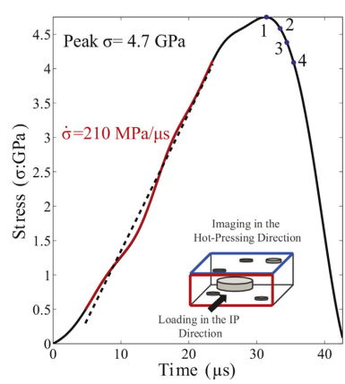

Peak Compressive Strength (GPa) | Strain Rate (s^-1)
4.7 | 480

Hogan 2015
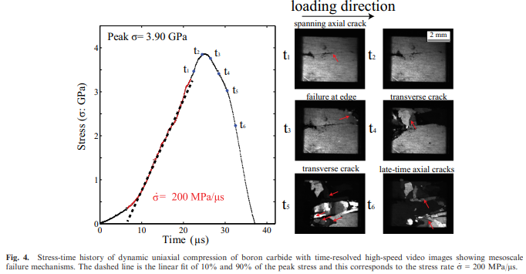
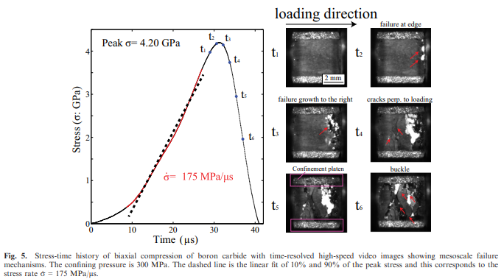
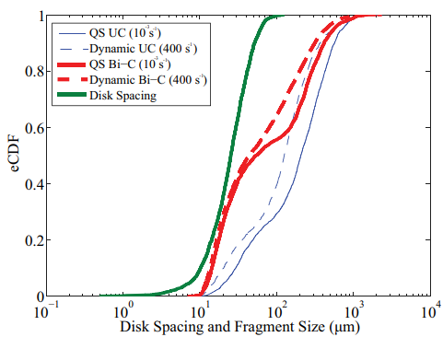

 |  |  |  | Disk Spacing | eCDF
 |  |  |  | 1.0048698904 | 0.0038461831335
 |  |  |  | 1.9997901886 | 0.0048076628933
Peak Compressive Strength (GPa) | Strain Rate (s^-1) | Peak Compressive Strength (GPa) | Strain Rate (s^-1) | 3.022103418 | 0.0086538460269
3.9 | 465 | 4.2 | stress rate (Gpa)/Young's modulus (Gpa) = 0.175/430 = 407 | 4.0121359152 | 0.017307692054
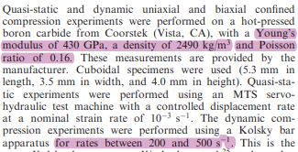
 |  |  |  | 5.0330158983 | 0.024999970289
 |  |  |  | 6.0142883191 | 0.034615384108
 |  |  |  | 7.0144183249 | 0.044230797926
 |  |  |  | 7.984546174 | 0.055769259295
 |  |  |  | 9.0155629694 | 0.072115383557
 |  |  |  | 10.097631223 | 0.10096153698
 |  |  |  | 20.095282027 | 0.36057691779
 |  |  |  | 30.123333832 | 0.6153846357
 |  |  |  | 40.31673083 | 0.78269232555
 |  |  |  | 50.167448666 | 0.89326923234
 |  |  |  | 59.948405283 | 0.9451923085
 |  |  |  | 69.917365157 | 0.97788462305
 |  |  |  | 80.234270648 | 0.9903846302
 |  |  |  | 89.864169238 | 0.99423076932
 |  |  |  | 99.838170684 | 1
Disk Spacing Graph

Lo_Hogan 2021
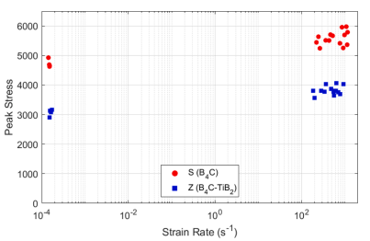
S(B4C) |  | Z(B4C-TiB2)
Strain (s^-1) | Stress (MPa) | Strain (s^-1) | Stress (MPa)
0.00014014319894 | 4933.7979661 | 0.00014960317821 | 2905.9231904
0.00014798331773 | 4682.9268993 | 0.00016321720997 | 3080.1394217
0.00015124084543 | 4627.177667 | 0.00017048195088 | 3163.7631107
266.39857631 | 5247.3867996 | 0.00015457000342 | 3121.9512662
218.99062327 | 5442.5086341 | 198.55111473 | 3567.9444865
244.17801181 | 5644.599322 | 185.99597085 | 3811.8466999
361.34272305 | 5519.1637886 | 281.30201897 | 3811.8466999
430.10055769 | 5505.2264008 | 342.19938849 | 3777.0037088
464.15885766 | 5707.3170887 | 369.29707347 | 4034.8433101
517.54447444 | 5672.4737787 | 479.56893079 | 3874.5644666
765.87948402 | 5414.6341775 | 643.44378312 | 4062.7177667
911.61429908 | 5254.355334 | 931.68009261 | 4034.8433101
1133.3738703 | 5372.822333 | 558.52829443 | 3644.599322
983.80214608 | 5693.3797009 | 782.73902874 | 3693.3800199
1158.3231839 | 5790.9407777 | 709.6820146 | 3756.0977866
863.31677357 | 5958.1881555 | 558.52829443 | 3756.0977866
1085.0779933 | 5986.0626122 | 602.75637983 | 3811.8466999

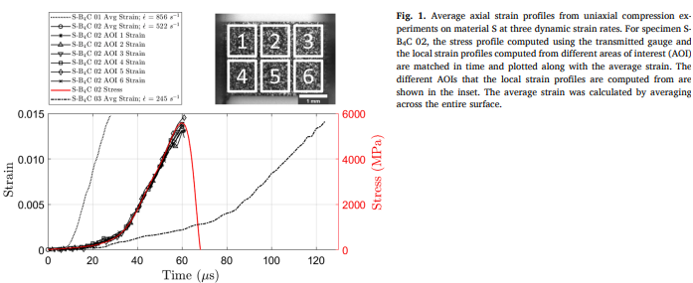
 |  | Peak Compressive Strength (GPa)
 |  | ~5600

Farbaniec 2016
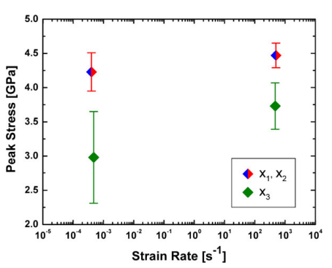
 | Strain (s^-1) | Stress (GPa)
Min: | 0.0004761300066 | 2.313479712
Median: | 0.0004761300066 | 2.9811912948
Max: | 0.0004761300066 | 3.6457679857
Min: | 0.00040423627944 | 3.9467084174
Median: | 0.00040423627944 | 4.2257053238
Max: | 0.00040423627944 | 4.5078369784
Min: | 476.1295309 | 3.3887146047
Median: | 476.1295309 | 3.7272727338
Max: | 476.1295309 | 4.0658307194
Min: | 500.09456272 | 4.2884012949
Median: | 500.09456272 | 4.4639497843
Max: | 500.09456272 | 4.6457680575

Farbaniec 2017
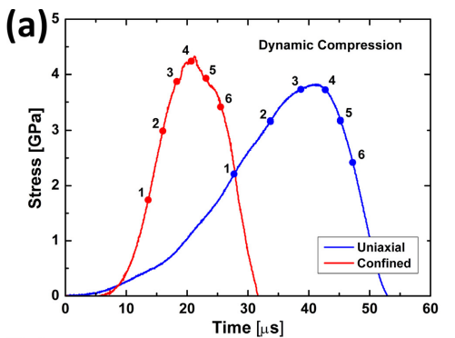
Peak Compressive Strength (GPa)
(confined) | (uniaxial)
4.3192948736 | 3.8148872729

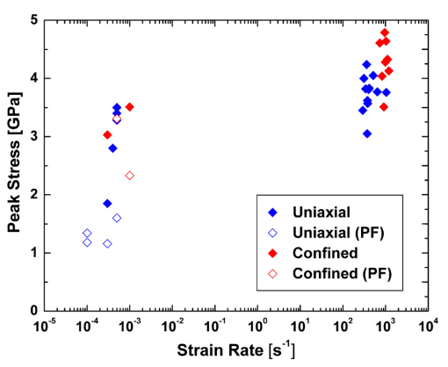
 | Uniaxial |  | Uniaxial (PF) |  | Confined |  | Confined (PF)
 | Strain (s^-1) | Stress (GPa) | Strain (s^-1) | Stress (GPa) | Strain (s^-1) | Stress (GPa) | Strain (s^-1) | Stress (GPa)
 | 0.00030151598738 | 1.8484848485 | 0.00010079715536 | 1.1818181818 | 0.00030151598738 | 3.0227272727 | 0.00099209148953 | 2.3333333333
 | 0.00040128070319 | 2.803030303 | 0.00010079715536 | 1.3409090909 | 0.00099209148953 | 3.5075757576 | 0.00049722358914 | 3.3106060606
 | 0.00049722358914 | 3.5 | 0.00030151598738 | 1.1590909091 | 901.92913009 | 3.5075757576
 | 0.00049722358914 | 3.4015151515 | 0.00049722358914 | 1.6060606061 | 819.96082446 | 4.0378787879
 | 0.00049722358914 | 3.2803030303 |  |  | 1200.3567661 | 4.1287878788
 | 373.60595772 | 3.053030303 |  |  | 992.09148953 | 4.2727272727
 | 294.41878575 | 3.446969697 |  |  | 1117.5729001 | 4.3257575758
 | 382.61202982 | 3.5681818182 |  |  | 727.8953844 | 4.6060606061
 | 373.60595772 | 3.6212121212 |  |  | 1040.4983104 | 4.6363636364
 | 1040.4983104 | 3.7575757576 |  |  | 945.93668611 | 4.7878787879
 | 646.16707875 | 3.7727272727
 | 364.81187408 | 4.2348484848
 | 509.20956368 | 4.053030303
 | 308.78427277 | 4
 | 339.65223973 | 3.8181818182
 | 420.86027152 | 3.8333333333
 | 401.28070319 | 3.803030303

Gao 2016
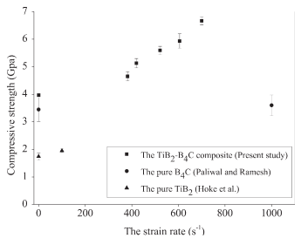
TiB2-B4C composite |  | B4C |  | TiB2
Strain (s^-1) | Stress (GPa) | Strain (s^-1) | Stress (GPa) | Strain (s^-1) | Stress (GPa)
0 | 3.9680232558 | 0 | 3.449127907 | 0 | 1.7398255814
381.00961538 | 4.6497093023 | 1000 | 3.601744186 | 99.759615385 | 1.9433139535
418.26923077 | 5.1279069767
520.43269231 | 5.5959302326
604.56730769 | 5.9418604651
698.31730769 | 6.6744186047

Gao 2019
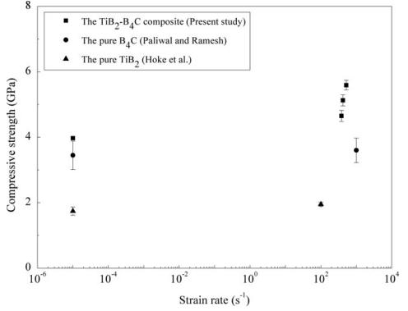
TiB2-B4C composite |  | B4C |  | TiB2
Strain (s^-1) | Stress (GPa) | Strain (s^-1) | Stress (GPa) | Strain (s^-1) | Stress (GPa)
9.8579994248E-06 | 3.9739533756 | 9.8579994248E-06 | 3.4530229307 | 9.8579994248E-06 | 1.7413952994
390.96020132 | 4.6586046325 | 1014.4046037 | 3.609301996 | 102.90167 | 1.9497676136
423.29147896 | 5.1274418285
528.75810568 | 5.5962790245

Krimsky 2019
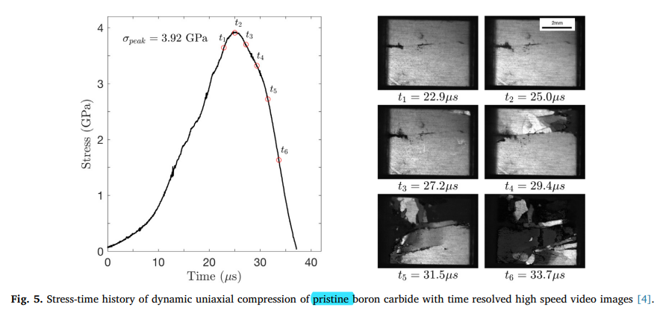
Peak Compressive Strength (GPa)
3.92

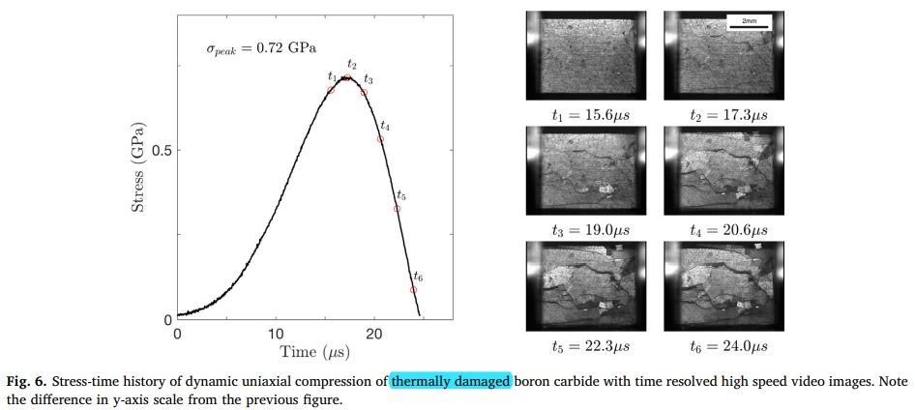
Peak Compressive Strength (GPa)
0.72

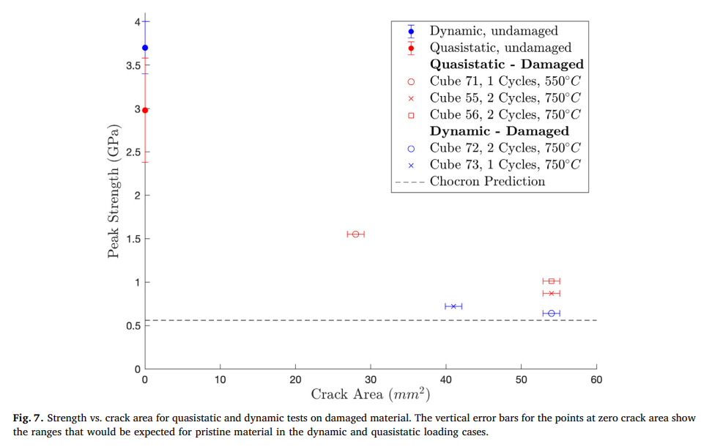
Crack Area (mm^2) | Peak Strength (GPa)
0 | 3.6968577317
0 | 2.975970496
27.994311489 | 1.5489832295
41.009960755 | 0.71719026524
54.025602207 | 1.0129391004
54.025602207 | 0.87245828523
54.025602207 | 0.63955625524

Swab 2017
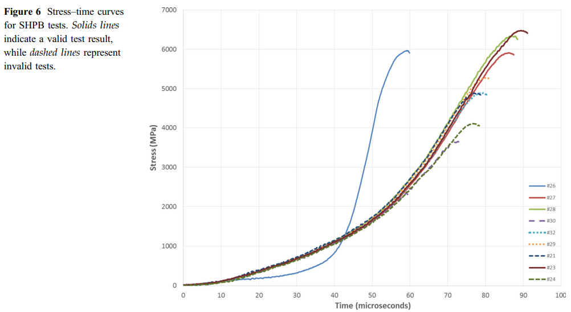
Average Dynamic Compressive Strength (GPa)
Valid | Invalid
6.2 ± 0.3 | 4.6 ± 0.7

Strain Rate (s^-1)
300
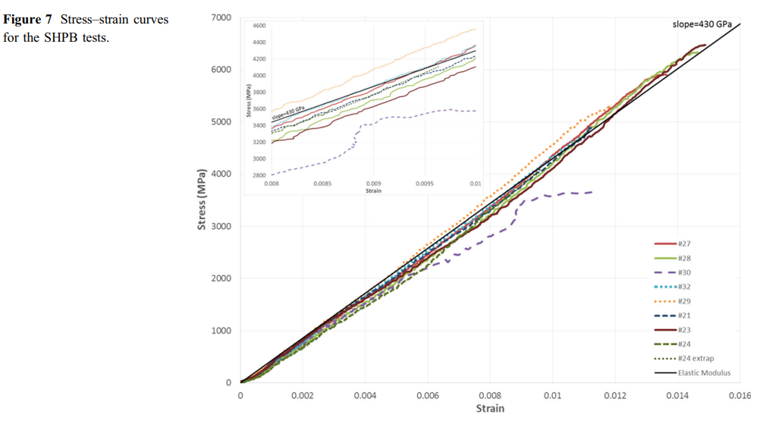

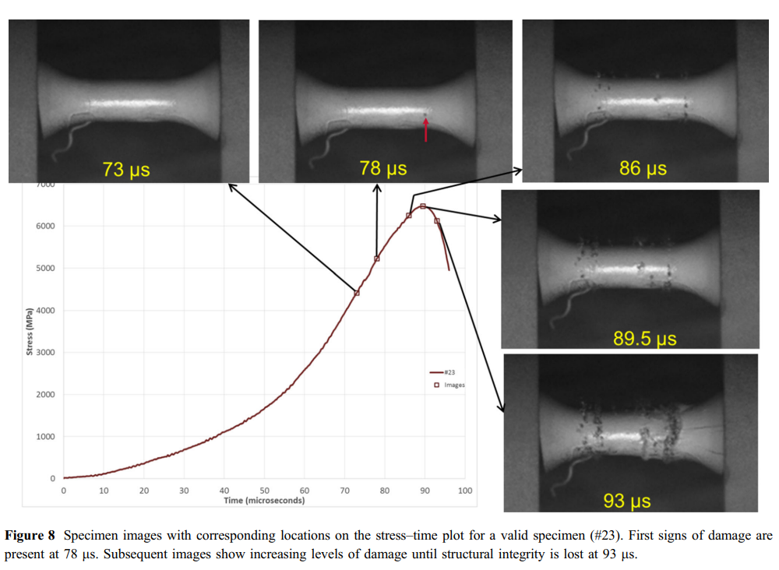
Peak Compressive Strength (MPa)
6457.2192624

Moorehead 2018
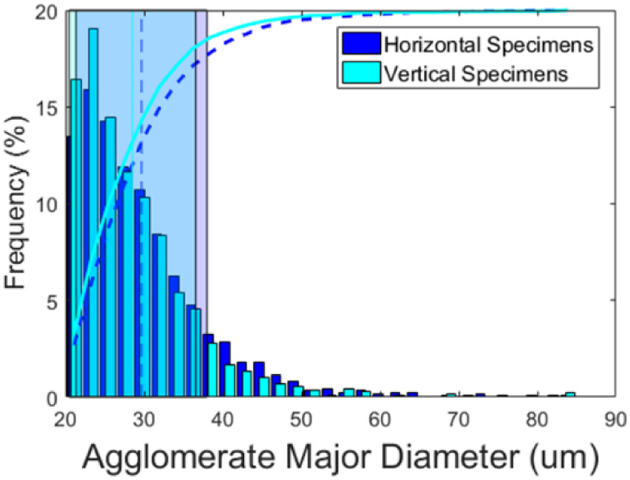
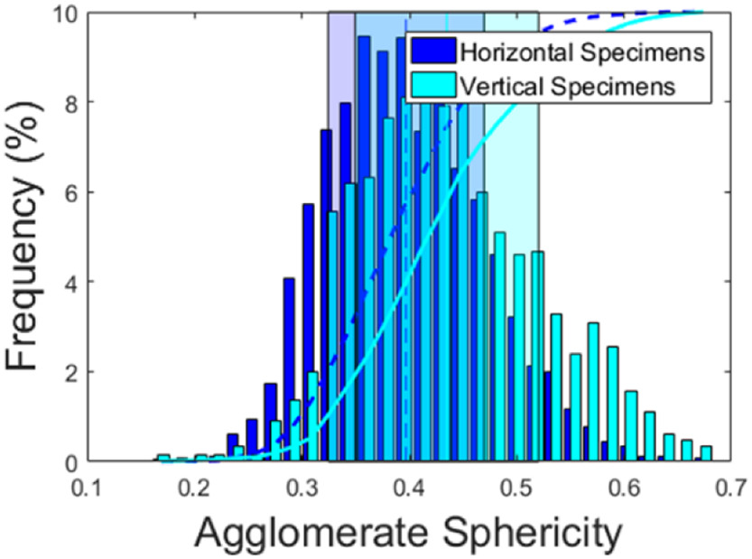
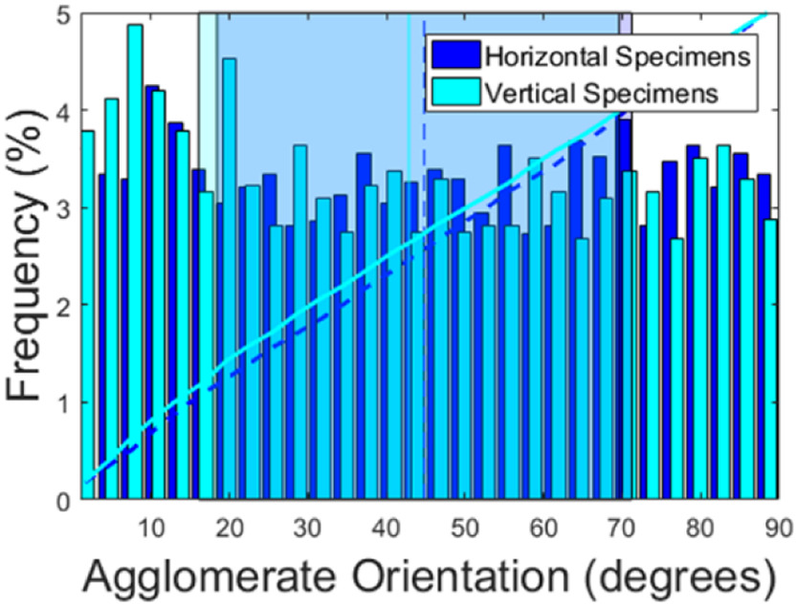
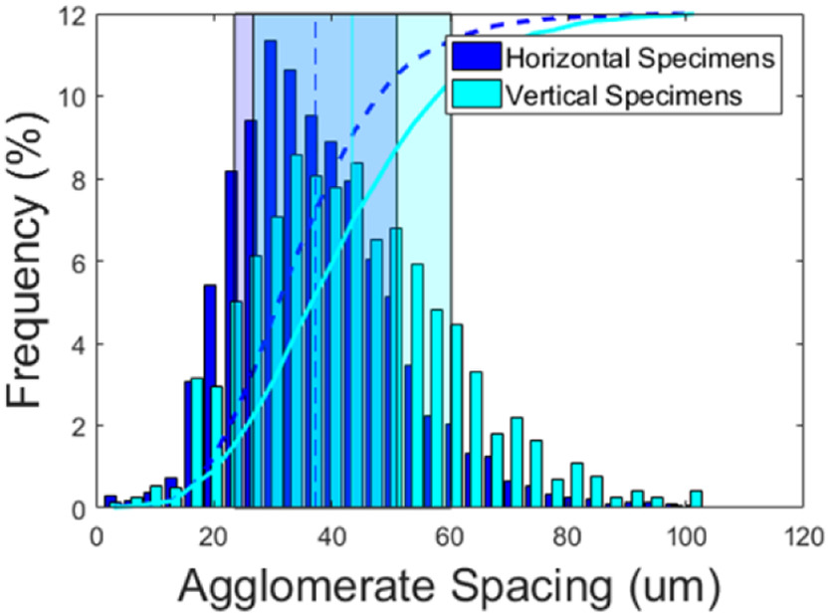

Vertical Specimens |  | Horizontal Specimens |  | Vertical Specimens |  |  | Horizontal Specimens |  |  | Vertical Specimens |  | Horizontal Specimens |  | Vertical Specimens |  | Horizontal Specimens
Bins (um) | Frequency (%) | Bins (um) | Frequency (%) | Sphericity (0-1) | Frequency (%) |  | Sphericity (0-1) | Frequency (%) |  | Orientation (degrees) | Frequency (%) | Orientation (degrees) | Frequency (%) | Spacing (um) | Frequency (%) | Spacing (um) | Frequency (%)
[20, 22] | 16.437956204 | [20, 22] | 13.489051095 | 0.17084639498 | 0.13493253373 |  | 0.16520376176 | 0.029985007496 |  | 0.82906857728 | 3.78477306 | 3.0399181167 | 3.3382137628 | 3.3196721311 | 0.12316715543 | 2.3360655738 | 0.28152492669
(22, 24] | 19.065693431 | (22, 24] | 15.912408759 | 0.18777429467 | 0.059970014993 |  | 0.18275862069 | 0 |  | 3.9611054248 | 4.121522694 | 5.8955987718 | 3.2942898975 | 6.8852459016 | 0.24633431085 | 5.7786885246 | 0.17595307918
(24, 26] | 14.481751825 | (24, 26] | 14.277372263 | 0.20595611285 | 0.13493253373 |  | 0.20031347962 | 0 |  | 7.0010235415 | 4.8828696925 | 9.2118730809 | 4.2532942899 | 10.081967213 | 0.52785923754 | 9.0983606557 | 0.36950146628
(26, 28] | 11.649635036 | (26, 28] | 11.912408759 | 0.22288401254 | 0.13493253373 |  | 0.21849529781 | 0.10494752624 |  | 9.9488229273 | 4.1947291362 | 12.251791198 | 3.8726207906 | 13.401639344 | 0.4926686217 | 12.663934426 | 0.72140762463
(28, 30] | 10.335766423 | (28, 30] | 10.715328467 | 0.24106583072 | 0.32983508246 |  | 0.23542319749 | 0.59970014993 |  | 13.080859775 | 3.78477306 | 15.199590583 | 3.3894582723 | 17.090163934 | 3.1495601173 | 15.983606557 | 3.0615835777
(30, 32] | 8.3503649635 | (30, 32] | 8.4087591241 | 0.25799373041 | 0.13493253373 |  | 0.25297805643 | 0.92953523238 |  | 16.212896622 | 3.1551976574 | 18.515864893 | 3.0453879941 | 20.409836066 | 2.9384164223 | 19.303278689 | 5.4017595308
(32, 34] | 5.401459854 | (32, 34] | 6.2481751825 | 0.27554858934 | 0.89955022489 |  | 0.27115987461 | 1.724137931 |  | 19.160696008 | 4.5314787701 | 21.279426817 | 3.2137628111 | 23.729508197 | 5.0146627566 | 22.991803279 | 8.1818181818
(34, 36] | 4.5547445255 | (34, 36] | 4.7591240876 | 0.29310344828 | 1.3493253373 |  | 0.28808777429 | 4.0779610195 |  | 22.108495394 | 3.2284040996 | 24.411463664 | 3.345534407 | 27.049180328 | 6.1231671554 | 26.18852459 | 9.4134897361
(36, 38] | 2.7737226277 | (36, 38] | 3.2408759124 | 0.31003134796 | 1.9790104948 |  | 0.30626959248 | 5.7271364318 |  | 25.148413511 | 2.8111273792 | 27.267144319 | 2.8111273792 | 30.614754098 | 7.073313783 | 29.508196721 | 11.348973607
(38, 40] | 1.6642335766 | (38, 40] | 2.8321167883 | 0.32884012539 | 5.5472263868 |  | 0.32257053292 | 7.3763118441 |  | 28.280450358 | 3.6383601757 | 30.307062436 | 2.8623718887 | 33.93442623 | 8.568914956 | 32.827868852 | 10.64516129
(40, 42] | 1.3430656934 | (40, 42] | 1.7810218978 | 0.34514106583 | 6.191904048 |  | 0.34137931034 | 7.976011994 |  | 31.320368475 | 3.0966325037 | 33.531218014 | 3.1259150805 | 37.254098361 | 8.0586510264 | 36.516393443 | 9.5366568915
(42, 44] | 1.0218978102 | (42, 44] | 1.7810218978 | 0.36269592476 | 6.3268365817 |  | 0.35830721003 | 9.4602698651 |  | 34.360286592 | 2.7452415813 | 36.571136131 | 3.5578330893 | 40.573770492 | 7.7771260997 | 39.836065574 | 8.8856304985
(44, 46] | 0.67153284672 | (44, 46] | 1.1386861314 | 0.38087774295 | 7.6311844078 |  | 0.37523510972 | 9.1154422789 |  | 37.492323439 | 3.2284040996 | 39.518935517 | 3.0453879941 | 44.139344262 | 8.3753665689 | 43.155737705 | 7.935483871
(46, 48] | 0.52554744526 | (46, 48] | 0.81751824818 | 0.39717868339 | 8.1109445277 |  | 0.39278996865 | 9.4302848576 |  | 40.440122825 | 3.3748169839 | 42.743091095 | 3.2650073206 | 47.581967213 | 6.5102639296 | 46.598360656 | 6.0351906158
(48, 50] | 0.3503649635 | (48, 50] | 0.3503649635 | 0.41536050157 | 7.976011994 | + | 0.40846394984 | 7.3463268366 |  | 43.480040942 | 2.737920937 | 45.690890481 | 3.3967789165 | 50.901639344 | 6.7917888563 | 49.918032787 | 5.1202346041
(50, 52] | 0.087591240876 | (50, 52] | 0.40875912409 | 0.43228840125 | 7.9010494753 |  | 0.42852664577 | 7.976011994 | + | 46.519959058 | 3.2869692533 | 48.730808598 | 3.2942898975 | 54.467213115 | 5.9296187683 | 53.360655738 | 3.4662756598
(52, 54] | 0.40875912409 | (52, 54] | 0.23357664234 | 0.45047021944 | 7.976011994 | + | 0.44231974922 | 6.5217391304 |  | 49.559877175 | 2.7452415813 | 51.678607984 | 2.9428989751 | 57.786885246 | 4.8035190616 | 56.680327869 | 2.2170087977
(54, 56] | 0.29197080292 | (54, 56] | 0.3503649635 | 0.46739811912 | 5.9970014993 |  | 0.4605015674 | 5.832083958 |  | 52.691914023 | 2.8111273792 | 54.810644831 | 3.6456808199 | 61.106557377 | 4.4516129032 | 60.368852459 | 2.0234604106
(56, 58] | 0 | (56, 58] | 0.17518248175 | 0.48495297806 | 5.0974512744 |  | 0.47805642633 | 4.6026986507 |  | 55.639713408 | 2.8111273792 | 57.850562948 | 2.7306002928 | 64.426229508 | 3.3079178886 | 63.56557377 | 1.3196480938
(58, 60] | 0.087591240876 | (58, 60] | 0.23357664234 | 0.50313479624 | 4.6026986507 |  | 0.49561128527 | 3.2083958021 |  | 58.679631525 | 3.5065885798 | 60.706243603 | 2.8184480234 | 67.991803279 | 1.7947214076 | 67.008196721 | 1.2492668622
 |  |  |  | 0.52006269592 | 4.6626686657 |  | 0.51253918495 | 2.1139430285 |  | 61.719549642 | 3.1625183016 | 63.930399181 | 3.6969253294 | 71.31147541 | 2.1818181818 | 70.327868852 | 0.63343108504
Total %: | 99.503649635 | Total %: | 99.065693431 | 0.53761755486 | 3.2833583208 |  | 0.52946708464 | 1.9790104948 |  | 64.759467758 | 2.6793557833 | 67.062436029 | 3.5285505124 | 74.631147541 | 1.6363636364 | 73.770491803 | 0.52785923754
 |  |  |  | 0.55517241379 | 2.383808096 |  | 0.54827586207 | 1.1544227886 |  | 67.891504606 | 3.0966325037 | 70.194472876 | 3.9019033675 | 78.319672131 | 0.6862170088 | 77.213114754 | 0.31671554252
 |  |  |  | 0.57210031348 | 3.0734632684 |  | 0.56520376176 | 0.74962518741 |  | 70.839303992 | 3.3748169839 | 73.050153531 | 2.8111273792 | 81.639344262 | 1.0909090909 | 80.532786885 | 0.24633431085
 |  |  |  | 0.59028213166 | 2.5337331334 |  | 0.58275862069 | 0.41979010495 |  | 73.879222108 | 3.1625183016 | 76.090071648 | 3.4699853587 | 84.959016393 | 0.77419354839 | 84.098360656 | 0.21114369501
 |  |  |  | 0.60721003135 | 1.5592203898 |  | 0.59968652038 | 0.32983508246 |  | 77.011258956 | 2.6793557833 | 79.129989765 | 3.6383601757 | 88.278688525 | 0.24633431085 | 87.295081967 | 0.087976539589
 |  |  |  | 0.62476489028 | 1.0944527736 |  | 0.61661442006 | 0.089955022489 |  | 80.051177073 | 3.5065885798 | 82.262026612 | 3.2064421669 | 91.844262295 | 0.40469208211 | 90.860655738 | 0.14076246334
 |  |  |  | 0.64169278997 | 0.59970014993 |  | 0.63542319749 | 0.10494752624 |  | 83.091095189 | 3.6383601757 | 85.209825998 | 3.5578330893 | 95.163934426 | 0.26392961877 | 94.057377049 | 0.14076246334
 |  |  |  | 0.6592476489 | 0.46476761619 |  | 0.65172413793 | 0 |  | 86.038894575 | 3.2869692533 | 88.249744115 | 3.345534407 | 98.606557377 | 0.035190615836 | 97.745901639 | 0.10557184751
 |  |  |  | 0.67680250784 | 0.32983508246 |  | 0.66990595611 | 0.074962518741 |  | 89.078812692 | 2.8770131772 |  |  | 101.80327869 | 0.40469208211 | 101.06557377 | 0.052785923754

 |  |  |  | Total %: | 98.500749625 | + | Total %: | 99.055472264 | + | Total %: | 99.941434846 | Total %: | 96.40556369 | Total %: | 99.782991202 | Total %: | 99.853372434

Major Diameter-Frequency Graph
Sphericity-Frequency Graph

Orientation-Frequency Graph
Spacing-Frequency Graph

Farbaniec 2015
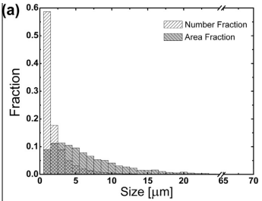
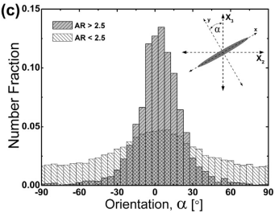

Orientation Data
Size | Fraction | AR < 2.5 |  | AR > 2.5
1.0089685753 | 0.58722168064 | Orientation | # Fraction | Orientation | # Fraction
2.0403593588 | 0.17657309669 | -90 | 0.016440357082 | -90.067872268 | 0.0014878694854
3.026905726 | 0.088867371979 | -84.705882353 | 0.017313295925 | -84.77375462 | 0.0017061041961
4.0134520932 | 0.051113277426 | -79.819004525 | 0.01804074052 | -79.683256883 | 0.002360808328
5.0224206686 | 0.031364954816 | -75.067865018 | 0.017167801678 | -74.999998964 | 0.00017846122151
6.0313892439 | 0.0214908201 | -70.18098719 | 0.017167801678 | -70.113121136 | 0.00083316535346
7.0403578193 | 0.012197482428 | -65.158371041 | 0.018622704189 | -65.226243308 | 0.0017061041961
8.0269062392 | 0.0098741878933 | -59.999991715 | 0.019204654537 | -59.932125661 | 0.0021425736174
9.0358748146 | 0.0075508401813 | -54.705874068 | 0.018477209942 | -54.638008014 | 0.0034519818813
10.022421182 | 0 | -50.090497738 | 0.022841904155 | -49.954750096 | 0.0034519818813
Size Graph
 |  | -44.932118412 | 0.023423867823 | -45.271492177 | 0.0034519818813
 |  | -39.909502262 | 0.026188165278 | -39.97737453 | 0.0062890331197
 |  | -35.022624434 | 0.027643067789 | -34.886876792 | 0.0078166760943
 |  | -29.864245108 | 0.031134823159 | -29.796379055 | 0.01305430915
 |  | -25.248868778 | 0.032735206597 | -24.909501227 | 0.022874871129
 |  | -20.090489452 | 0.03709990081 | -20.022623399 | 0.034441310794
 |  | -15.067873303 | 0.041464595023 | -15.135745571 | 0.052118322356
 |  | -9.9094939771 | 0.044228905798 | -10.045247833 | 0.066521813259
 |  | -4.7511270791 | 0.045538314062 | -4.9547500956 | 0.1206440215
 |  | 0.407239819 | 0.046120277731 | 0.135747642 | 0.12762753224
 |  | 5.022628577 | 0.047284191747 | 5.0226254701 | 0.13526574711
 |  | 9.7737556561 | 0.047284191747 | 10.113123208 | 0.11322404134
 |  | 14.932134982 | 0.044083411551 | 15.000001036 | 0.095547029776
 |  | 19.954751131 | 0.042046558692 | 20.090498773 | 0.064557700863
 |  | 25.248868778 | 0.035935986794 | 25.180996511 | 0.045134811615
 |  | 30.135746606 | 0.032880700845 | 30.067874339 | 0.02331134055
 |  | 34.615384615 | 0.030698353738 | 34.954752167 | 0.015891360388
 |  | 39.909502262 | 0.025460720682 | 39.841629995 | 0.011526666175
 |  | 44.79638009 | 0.024005818171 | 44.932127732 | 0.007380206673
 |  | 50.090497738 | 0.023423867823 | 50.22624538 | 0.0027972777493
 |  | 54.977375566 | 0.021387001644 | 55.316743117 | 0.0056343289878
 |  | 59.864253394 | 0.021096026469 | 60.407240855 | 0.00301551246
 |  | 64.886894399 | 0.01804074052 | 64.886878864 | 0.0021425736174
 |  | 69.773772227 | 0.017167801678 | 69.773756692 | 0.0021425736174
 |  | 75.067889874 | 0.017895246273 | 75.067874339 | 0.0012696347748
 |  | 80.090506023 | 0.015276429745 | 80.158372076 | 0.00017846122151
 |  | 84.84164553 | 0.016003887661 | 85.045249904 | 0.00083316535346
 |  | 90.135763177 | 0.016585838009 | 90.135747642 | 0.0014878694854

